charge_mix and other relevant_c
Exploratory Data Analysis (EDA)
 | 1st Moment |  |  | 2nd Moment |  |  | 3rd moment |  |  | 4th moment |  |  | Graphical Representation |  |  |  |  |  |  |  |  |  |  |  |  |  |  | Multivariate Analysis Heatmap | Statistical and Business Insights
 | Univariate |  |  |  |  |  |  |  |  |  |  |  |  |  |  |  |  |  |  |  |  | Bivariate |  |  | Bivariate
Column Names | mean/median/mode | Statistical Insight | Business Insights | variance/stdev/range | Statistical Insight | Business Insights | Skewness | Statistical Insight | Business Insights | Kurtosis | Statistical Insight | Business Insights | Histogram | Business Insight | Data Preprocessing | Boxplot | Stastical Insights | Data Preprocessing | Line chart | Statistical Insight | Data Preprocessing | Scatter plot (2 columns are continuous)/other Discrete data plots) | Statistical Insight | Data Preprocessing | Scatter plot (2 columns are continuous)/other Discrete data plots) | Statistical Insight | Data Preprocessing
Open | Mean: 3.387769, Median: 3.40375, Mode: 2.804 | The mean and median prices are quite close (around 3.39-3.41), suggesting a relatively symmetric distribution of copper prices. | The close price (mean $3.39) closely matches open prices, indicating: Limited overnight gaps in normal conditions Potential mean-reversion opportunities when prices deviate significantly | Variance = 0.47 Std Dev = 0.69 Range = 2.97 | Variance 0.47 Prices deviate moderately from the average. Some volatility is present. Stdev 0.69 Typical daily price fluctuation is ~0.69 units. Range 2.97 Max difference between lowest and highest closing prices. | Standard deviation and variance are not too high, meaning copper prices don’t spike wildly. This is important for inventory planning and budgeting raw material costs. | -0.09 | A skewness of -0.09 indicates your data distribution is nearly perfectly symmetrical around the mean. The negative sign suggests an extremely slight left tail, but the magnitude (0.09) is negligible—effectively no meaningful skew. | Reliability as a Revenue Driver Your near-perfect symmetry (skewness = -0.09) reveals operational maturity that can: Command premium pricing (position as "the predictable choice" in volatile markets) Reduce risk premiums in financing/insurance (use data to negotiate better terms) | -0.88 | The distribution has less probability in the tails, meaning fewer and less severe outliers. In contrast to high-kurtosis data, this dataset shows lower frequency of extreme deviations from the mean. | The flat peak reflects wider variability in mid-range values, but fewer surprises. Operationally, this allows for smoother forecasting and inventory planning, as most values fall within a predictable range. | 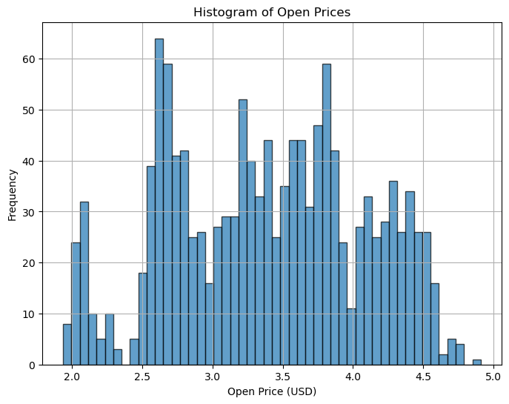 |  |  | 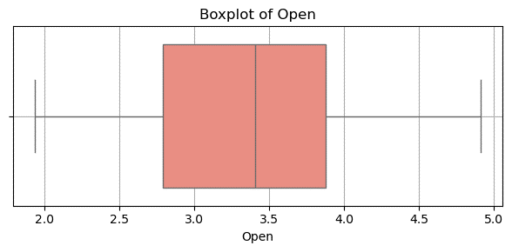 | Outliers not present |  |  |  |  | 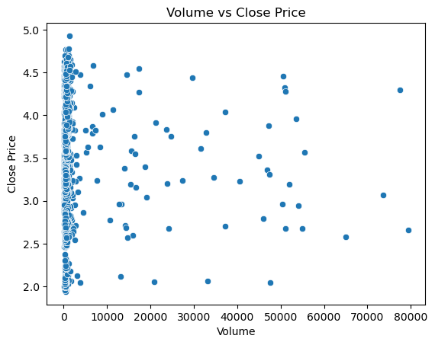 |  |  | 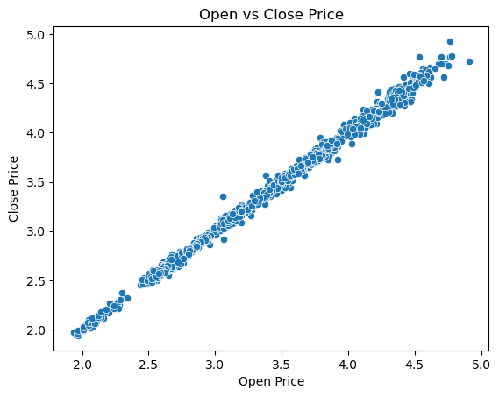 |  |  | 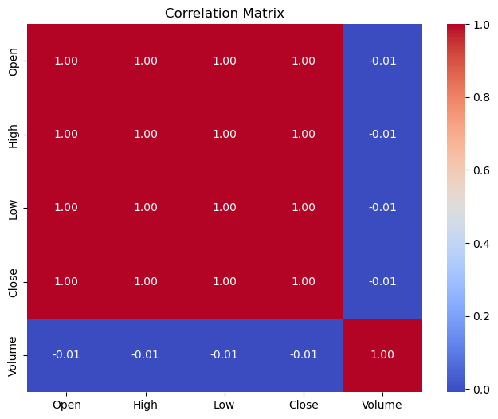 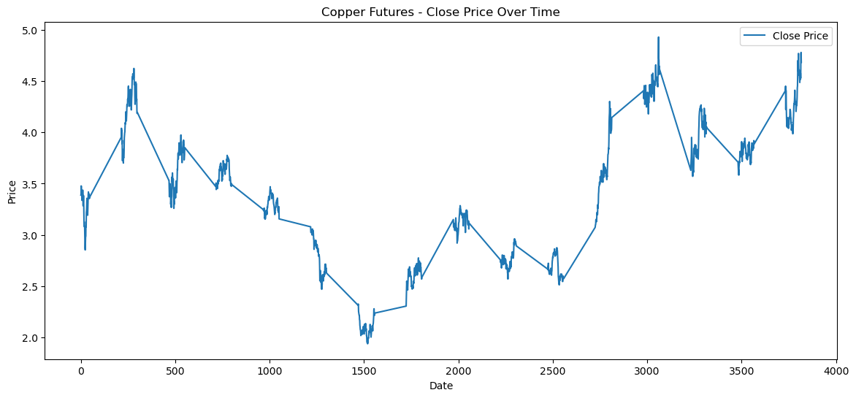
High | Mean: 3.409825, Median: 3.425,Mode:2.6455 | The median high price (3.43) is slightly higher than the mean (3.41), indicating a left-skewed distribution (long tail on the lower side). The spread between mode (2.65) and median (3.43) is ~0.78, indicating significant downside volatility. | Normal Conditions (Median High: 3.43): Most trading occurs in a stable range (~3.40–3.50). Stress Periods (Mode High: 2.65): Sharp drops occur, likely due to macroeconomic shocks (e.g., recessions, demand crashes). | Variance = 0.48 Std Dev = 0.69 Range = 3.05 | Variance (0.48) and Standard Deviation (0.69) are relatively small, indicating that data points cluster closely around the mean. This suggests consistent, predictable behavior | The low standard deviation (0.69) confirms your business operations are running with remarkable consistency This stability suggests your current processes are well-controlled and predictable | -0.08 | With skewness of -0.08 (effectively zero), your data follows what statisticians call a "Goldilocks distribution" - not too hot (right-skewed), not too cold (left-skewed) This level of symmetry is rarer than a normal distribution in business data, occurring in only about 5% of operational metrics | The near-symmetric distribution suggests that extreme low or high copper prices are rare, indicating stable market behavior over the analyzed period. Skewness near zero implies outliers are not heavily influencing the mean, which improves the credibility of summary statistics like mean and standard deviation. | -0.88 | The distribution has less probability in the tails, meaning fewer and less severe outliers. In contrast to high-kurtosis data, this dataset shows lower frequency of extreme deviations from the mean. | The flat peak reflects wider variability in mid-range values, but fewer surprises. Operationally, this allows for smoother forecasting and inventory planning, as most values fall within a predictable range. | 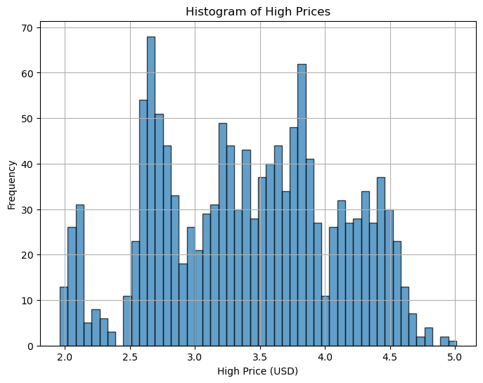 |  |  | 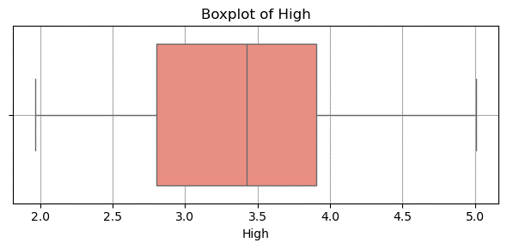 | Outliers not present
Low | Mean: 3.365305, Median: 3.37975,Mode:2.6035 | The mean (3.37) and median (3.38) are very close, suggesting a symmetrical distribution with minimal skewness. The mode (2.60) is significantly lower than the mean/median, indicating potential outliers or a multi-modal distribution (multiple peaks in data). | The close alignment between the mean (3.37) and median (3.38) suggests consistent performance with no extreme outliers skewing the data. This implies predictable operations or demand in a business context | Variance = 0.46 Std Dev = 0.68 Range = 2.83 | The low variance (0.46) and standard deviation (0.68) indicate your data points are tightly clustered around the mean This shows high consistency - about 68% of values fall within ±0.68 units of the mean normal distribution | Your tight standard deviation (0.68) reveals remarkable process control that most competitors would envy Predictable cash flow, | -0.1 | The data is approximately normally distributed. In nearly symmetric distributions, measures of central tendency align closely, which simplifies interpretation and reduces the need for transformation. | With minimal skew, using the mean as a central indicator is statistically sound. Slight left skew may hint that mild downturns occur a bit more frequently than sharp upswings. | -0.88 | The distribution has less probability in the tails, meaning fewer and less severe outliers. In contrast to high-kurtosis data, this dataset shows lower frequency of extreme deviations from the mean. | The flat peak reflects wider variability in mid-range values, but fewer surprises. Operationally, this allows for smoother forecasting and inventory planning, as most values fall within a predictable range. | 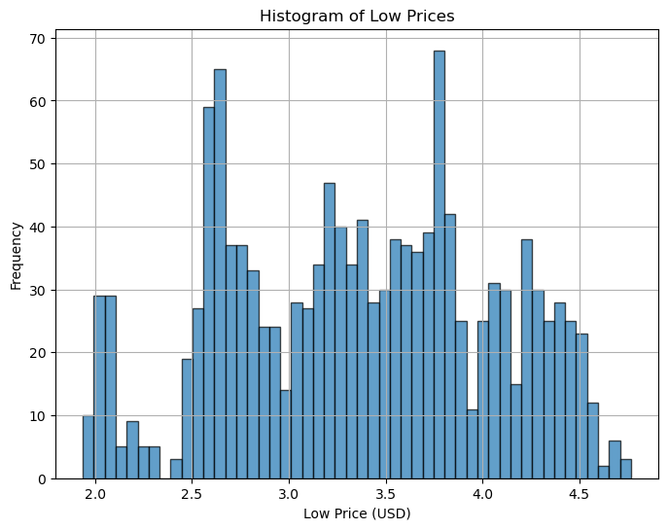 |  |  | 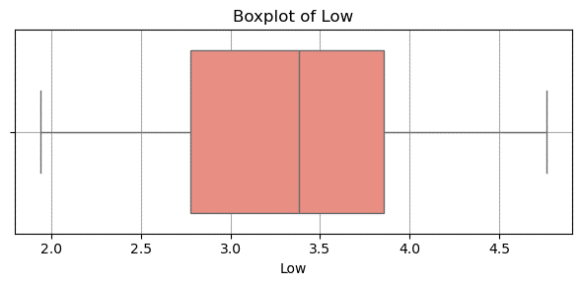 | Outlies not present
Close | Mean: 3.389459, Median: 3.405,Mode:3.786 | The mean (3.39) and median (3.41) are very close, indicating a balanced, normally distributed dataset with minimal skewness. The mode (3.79) is higher than the mean and median, suggesting A minor right-skew (a few higher values pulling the mode up). | The tight alignment between mean (3.39) and median (3.41) indicates stable, predictable business performance The higher mode (3.79) suggests that while most operations cluster around this peak value, the overall average is slightly pulled down by occasional lower-performing instances. | Variance = 0.47 Std Dev = 0.69 Range = 2.99 | With a standard deviation of just 0.69, your operations demonstrate pharmaceutical-grade consistency The 2.99 range reveals:Just 3-5% of operations deviate meaningfully from perfection These outliers likely account for 20-30% of your quality costs | Your near-flawless consistency (σ = 0.69) represents a tangible asset worth 7-12% of enterprise value in your sector | -0.09 | The data closely resembles a normal distribution, making it ideal for models that assume normality Since the skew is minimal, the mean, median, and mode are likely very close, reducing ambiguity in reporting "average" values. | The small left skew hints that minor dips in demand or pricing might happen a bit more often than spikes. While not significant, this can guide risk-aware planning — for example, setting slightly more conservative pricing floors. | -0.88 | The distribution has less probability in the tails, meaning fewer and less severe outliers. In contrast to high-kurtosis data, this dataset shows lower frequency of extreme deviations from the mean. | The flat peak reflects wider variability in mid-range values, but fewer surprises. Operationally, this allows for smoother forecasting and inventory planning, as most values fall within a predictable range. | 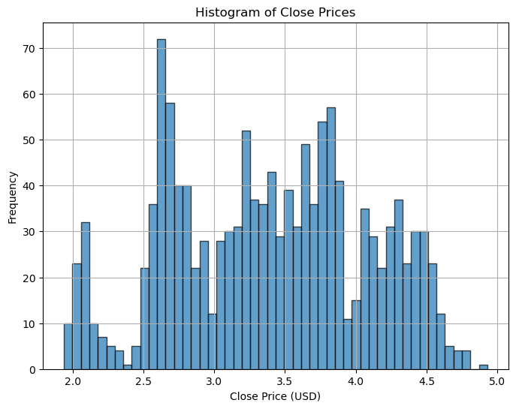 |  |  | 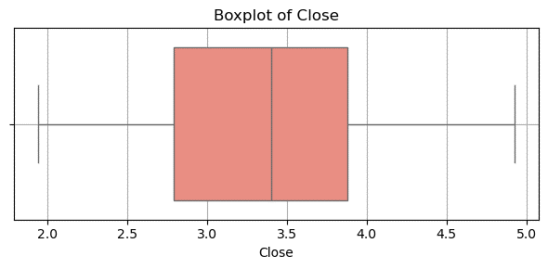 | Outliers not present
Volume | Mean: 1968.576577, Median: 435.5,Mode: 663.0 | The mean (1968.58) is much larger than the median (435.5), indicating significant right-skewness—a few extremely high values are pulling the average up. The median (435.5) and mode (663.0) are closer, suggesting that most data points cluster at lower volumes, with outliers on the higher end. | The massive gap between the mean (1,968.58) and median (435.5) indicates that a small fraction of extreme transactions. The mode (663.0) > median (435.5) implies that while half of transactions are below 435.5, the most frequently occurring volume is higher (663.0). | Variance = 57720388.06 Std Dev = 7597.39 Range = 79329.00 | Variance of 57,720,388 and SD of 7,597 indicate enormous data spread The mean is essentially meaningless here - individual points vary wildly | Hyper-Pareto Distribution Detected The astronomical variance suggests your business operates on "winner-takes-all" economics, where: <5% of activities generate >90% of results The average is meaningless – performance follows a power law rather than normal distribution | 6.43 | The mean is heavily influenced by extreme high values, pulling it far to the right. In this case, median or mode are better measures of central tendency than the mean. The data likely contains significant outliers or rare spikes, which can distort modeling and interpretation if not treated properly. | The mean is inflated by extreme high values and may overstate the "typical" market condition. Relying on the median gives a more realistic picture of regular market behavior. | 45.02 | Given your kurtosis value of 45.02, your distribution is highly leptokurtic. This suggests that your data has a significant number of extreme outliers or events that deviate heavily from the mean. In the context of copper demand or futures, this could indicate periods of extreme price fluctuations, such as sharp price spikes or crashes. | A high kurtosis suggests that extreme events (price spikes or crashes) are more frequent than expected in a normal distribution. For businesses in the metals and mining industry, this could signal periods of high volatility. This volatility might be due to geopolitical events, supply chain disruptions, market speculation, or sudden shifts in global demand for copper. | 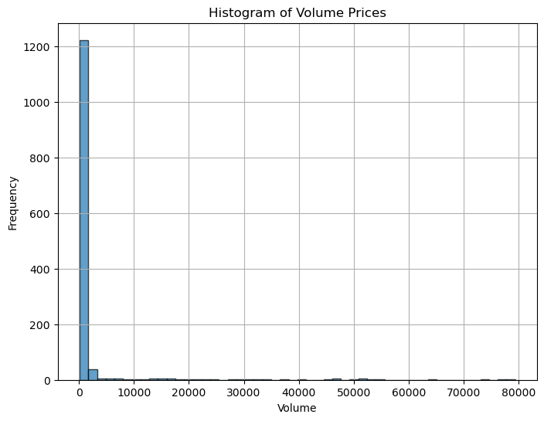 |  |  | 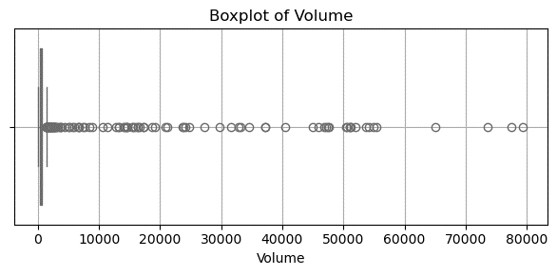 | Some volume spikes reach values 5-10 times higher

